RD Phone List

 |  |  | Sanjel Energy Services Inc.
 |  |  | Red Deer
 |  |  | 8051 Edgar Industrial Drive
 |  |  | Phone: (403) 357-1616
 |  |  | Fax: 1-403-770-8378

 |  | EXT. | RESIDENCE | PERSONAL CELL | CEMENT PUMPERS
Managers and Dispatchers |  |  |  |  | PUMPERS
Rondeel, Gary | Manager | 3202 |  | 403-596-8601 | 740091
Beniuk, Clayton | Team Lead | 3204 |  | 1-587-343-4368 | 740092
Dumont, Gary | Team Lead | 3205 |  | 780-870-6825 | 745096
Cement Dispatch | West (Calgary) | 1080-1082 |  | 1-877-823-3472 | 740101
Hynes, Wayne | Iron Compliance Coordinator | 3203 | 403-346-4484 | 587-876-2047
Supervisors |  | 3217
Bolan, Trevor |  |  | 403-597-4034 | 403-302-0239 | 745100
Ferguson, Robi |  |  |  | 403-783-1496 | 745076
Hiscock, Jeff |  |  |  | 639-840-0988
Kljucaricek, Steve |  |  | 403-396-1268 | 403-597-1045 | 745088
Letendre, Liam | Sup 1 - In Training |  |  | 403-318-6540
Nickolson, Jeff |  |  | 587-877-5720 | 403-302-1710 | Bulkers
Richards, Brian |  |  | 403-749-2679 | 403-352-5140 | 746122
Stump, Chris |  |  |  | 587-988-1969
Operators |  |  |  |  | 746131
Giese, Ross |  |  |  | 587-335-5323 | 746160
Jackson, Kyle |  |  |  | 403-506-3311 | 746141
Mokelky, Colton |  |  |  | 403-506-0886
Ochsner, Michael |  |  |  | 403-869-1908 | 746121
Pereira, Zach |  |  |  | 639-840-1402 | 755028
Silver, Justin |  |  |  | 905-269-2118
Wong, Antonio |  |  |  | 403-363-3338 | Light Duty
Drivers |  |  |  |  | 200709
Best, Eric | Op in Training |  |  | 403 438 0289 | 200790
Briggs, Greg |  |  |  | 403 596 1691 | 201127
Brinkhurst, Travis | Op in Training |  | 403-986-7779 | 403-877-7388 | 201152
Buckland, Rodger | Transport - Driver 2 |  | 403-986-9034 | 403-391-8606
Dorotiuk, Ruslan | Op in Training |  |  | 403-396-0806 | 201320
Johnson, Myles | Op in Training |  |  | 403-304-2258 | 201324
Nesbitt, Chris |  |  |  | 587-938-2131 | 201330
Webb, Tim |  |  |  |  | 201331
Whynot, Matt |  |  | 403-573-5565 | 403-341-9451 | 201440
Wiley, Walter |  |  |  | 403-793-0133 | 201447
Bulk Plant | On Call Cell: 403-304-9367 | 3209 |  | 403-302-8745 | 201478
BP Office |  | 3206 |  |  | 201115
Kovalev, Dmitriy |  |  | 403-309-0819 |  | 201479
Reed, Sean |  |  |  | 403-598-6369
Smith, Matt |  |  |  | 587-876-3577
Zwart, Calvin |  |  |  | 403-392-0304
Mechanic |  |  |  | 905-447-9774
Bacon, Jared |  | 3208 | 403-986-9456
 |  | 3207 |  | 403-505-0193
Electrical
Ryan Smith |  | 3211 | 403-396-6551
Ruest, Steven |  | 3212 |  | 403-302-8051
Engineers |  |  |  | 705-288-4125

IT Service Desk | 1-888-766-2922 |  | helpdesk@debianIT.com

Dispatch West | 1-877-823-3472 | Calgary | Ext: Office - 1080 Dispatch - 1082
 |  |  | JMP Text: 403-462-3864
Dispatch East | 1-888-778-4075

GP Phone LIST
 | GRANDE PRAIRIE - Pumping Services D604
 | 10820 - 78 Avenue
 | T8W 2L3
24 Hour Phone: | 780-532-5652
Toll Free: | 888-532-5652
Calgary Head Office: | 403-269-1420

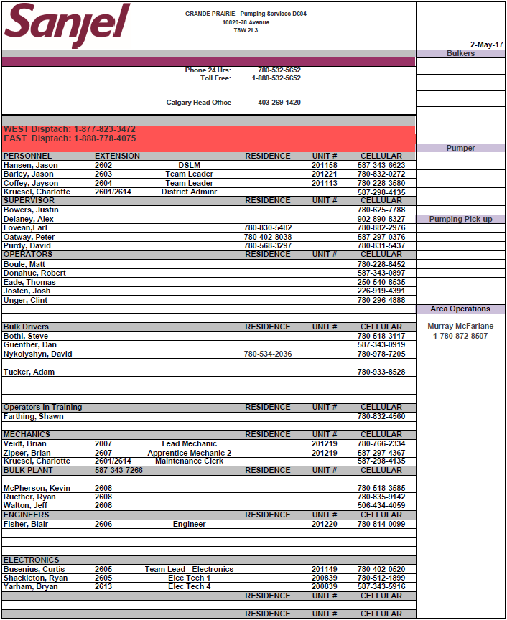
OFFICE STAFF | EXTENSION |  | RESIDENCE | UNIT # | CELL
Hansen, Jason | 2602 | DSLM |  | 201158 | 587-343-6623
Barley, Jason | 2603 | Team Lead |  | 201221 | 780-832-0272
Coffey, Jayson | 2604 | Team Lead |  | 201113 | 780-228-3580
Kruesel, Charlotte | 2601/2614 | District Admin |  |  | 587-298-4135
SUPERVISOR |  |  | RESIDENCE |  | CELL
Delaney, Alex |  |  |  |  | 902-890-8327
Lovean, Earl |  |  | 780-830-5482 |  | 780-882-2976
Oatway, Peter |  |  | 780-402-8038 |  | 587-297-0376
Purdy, David |  |  | 780-568-3297 |  | 780-831-5437
Spratt, Greg |  |  |  |  | 778-403-3243
OPERATOR |  |  |  |  | CELL
Boule, Matt |  |  |  |  | 780-228-8452
Donahue, Robert |  |  |  |  | 587-343-0897
Eade, Thomas |  |  |  |  | 250-540-8535
Josten, Josh |  |  |  |  | 226-919-4391

BULK DRIVER |  |  | RESIDENCE |  | CELL
Dilworth, Corie |  |  |  |  | 780-835-0497
Guenther, Dan |  |  |  |  | 587-343-0919
Nykolyshyn, David |  |  | 780-534-2036 |  | 780-978-7205
Prevost, Shayne |  |  |  |  | 780-523-6223
Tucker, Adam |  |  |  |  | 587-298-9713
OPERATOR IN TRAINING |  |  |  |  | CELL
Farthing, Shawn |  |  |  |  | 780-832-4560
Upward, Chad |  |  |  |  | 709-673-7039
MECHANIC |  |  |  | UNIT # | CELL
Veidt, Brian | 2007 | Lead Mechanic |  | 201219 | 780-766-2334
Zipser, Brian | 2607 | Apprentice 2 |  | 201219 | 587-297-4367
Kruesel, Charlotte | 2601/2614 | Maint. Clerk |  |  | 587-298-4135
BULK PLANT | 2608 | 587-343-7266 |  |  | CELL
McPherson, Kevin |  |  |  |  | 780-518-3585
Ruether, Ryan |  |  |  |  | 780-835-9142
Walton, Jeff |  |  |  |  | 506-434-4059
ENGINEER |  |  |  | UNIT # | CELL
Fisher, Blair | 2606 |  |  | 201220 | 780-814-0099
ELECTRONICS |  |  |  | UNIT # | CELL
Busenius, Curtis | 2605 | Team Lead - Elec |  | 201149 | 780-402-0520
Shackleton, Ryan | 2605 | E-Tech 1 |  | 200839 | 780-512-1899
Yarham, Bryan | 2613 | E-Tech 4 |  | 200839 | 587-343-5916

Equipment
177mm head from LLB Mar 14 to Delta Stream
Red Deer |  | In For Testing | Out of Service | Lac La Biche | Husky McMullen

Notes | 1 x Top drive and seal kit in Lloyd
 | LLB has 177mm Head as of Dec 28/16/ 219mm

Edson |  |  |  | Lloydminster | Cenovus Brooks

Notes | Only has 1 x 177 mm top drive cap (2nd one left in FSJ)
 | Edson has a manifold from GP

Grande Prairie |  |  |  | Swift Current | Delta Stream /Full assebley

Notes
 | Borrowed 339mm swedge from RD

Fort St. John |  |  |  | Estevan | #NAME?

Notes

Cenovus Brooks
Brooks Bulk Plant
In Smith Aggregates Yard
From HWY 1 and HWY 36
South approx. 10.5km on 36
East approx. 8km on Silver Sage Road |  |  | Cenovus Brooks
South into
(approx. 0.5km west of HWY 873 on Silver Sage Road)
Our lock is the Gold master Lock, code 1616 (code goes on the top, black line line) |  |  | 120t Cap. | 120t Cap.
 |  |  | 2 t | 0
 |  | 6 |  |  | 3
Smith aggregates contact
Doug Wutzke | Ken Kilford
403.633.7880 | 403.501.1440 |  | MT | 29
 |  | 5 |  |  | 2

 |  |  | 0 | 30
 |  | 4 |  |  | 1
 |  |  |  |  |  | Sanjel-Gate 5400
 |  |  |  |  |  | Smith-Gate 5777 | 1616
 |  |  | B Side Production | A Side Surface

Weigh Silo

Arc Cement Storage
 | ARC Resources laydowns on location |  |  | ARC PIG O.L

 | 120t Cap. | 120t Cap. |  | 160t Cap.
 | MT | MT |  | MT
6 |  |  | 3 |  | P3

 | MT | MT |  | MT
5 |  |  | 2 |  | P2

 | MT | MT |  | MT
4 |  |  | 1 |  | P1

 | A Side (Surface) | B Side (Lead) |  | PIG (Tail)

2076
1981
746131

